11x17
 | Visual Aid |  |  | Process Information
 | Created By: Mohan Srinivas | Date Created: | 15-Oct-19 | Customer Name : BRP
Line : 101 | Revised By: | Date Revised: |  | Part Name : Spyder R66
Operation : N / A | Approved by: Tina Green |  |  | Part Number : ALL R66 PARTS
Equipment Name : N / A |  |  |  | Document # : 8.5.2.38 a
SPYDER R66
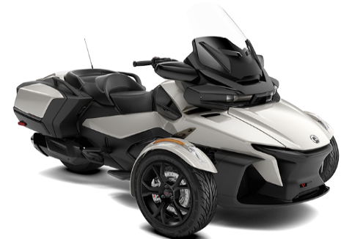

FRONT FAIRING
MIRROR SHELL
UPPER FAIRING
FENDER
REAR COVER BOX
REAR FAIRING
R66 HOOD

8x11.5
 | Visual Aid |  |  | Process Information
 | Created By: M Srinivas | Date Created: | 15-Oct-19 | Customer Name: BRP
Line : 101 / 103 | Revised By: | Date Revised: |  | Part Name: SPYDER R66
Operation : N / A | Approved by: T Green |  |  | Part Number: All R66 Parts
SPYDER R66
Equipment Name: N / A |  |  |  | Document #: 8.5.2.38 b

FRONT FAIRING
R66 HOOD
MIRROR SHELL
UPPER FAIRING
FENDER
BOX COVER
REAR FAIRING

